Read Me
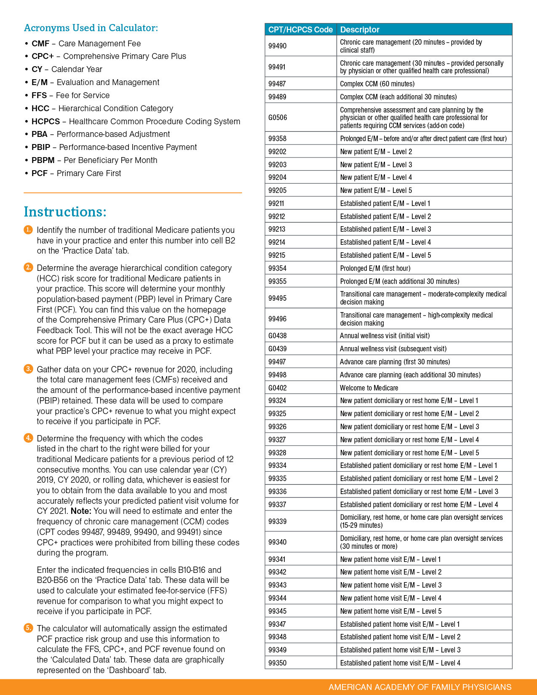

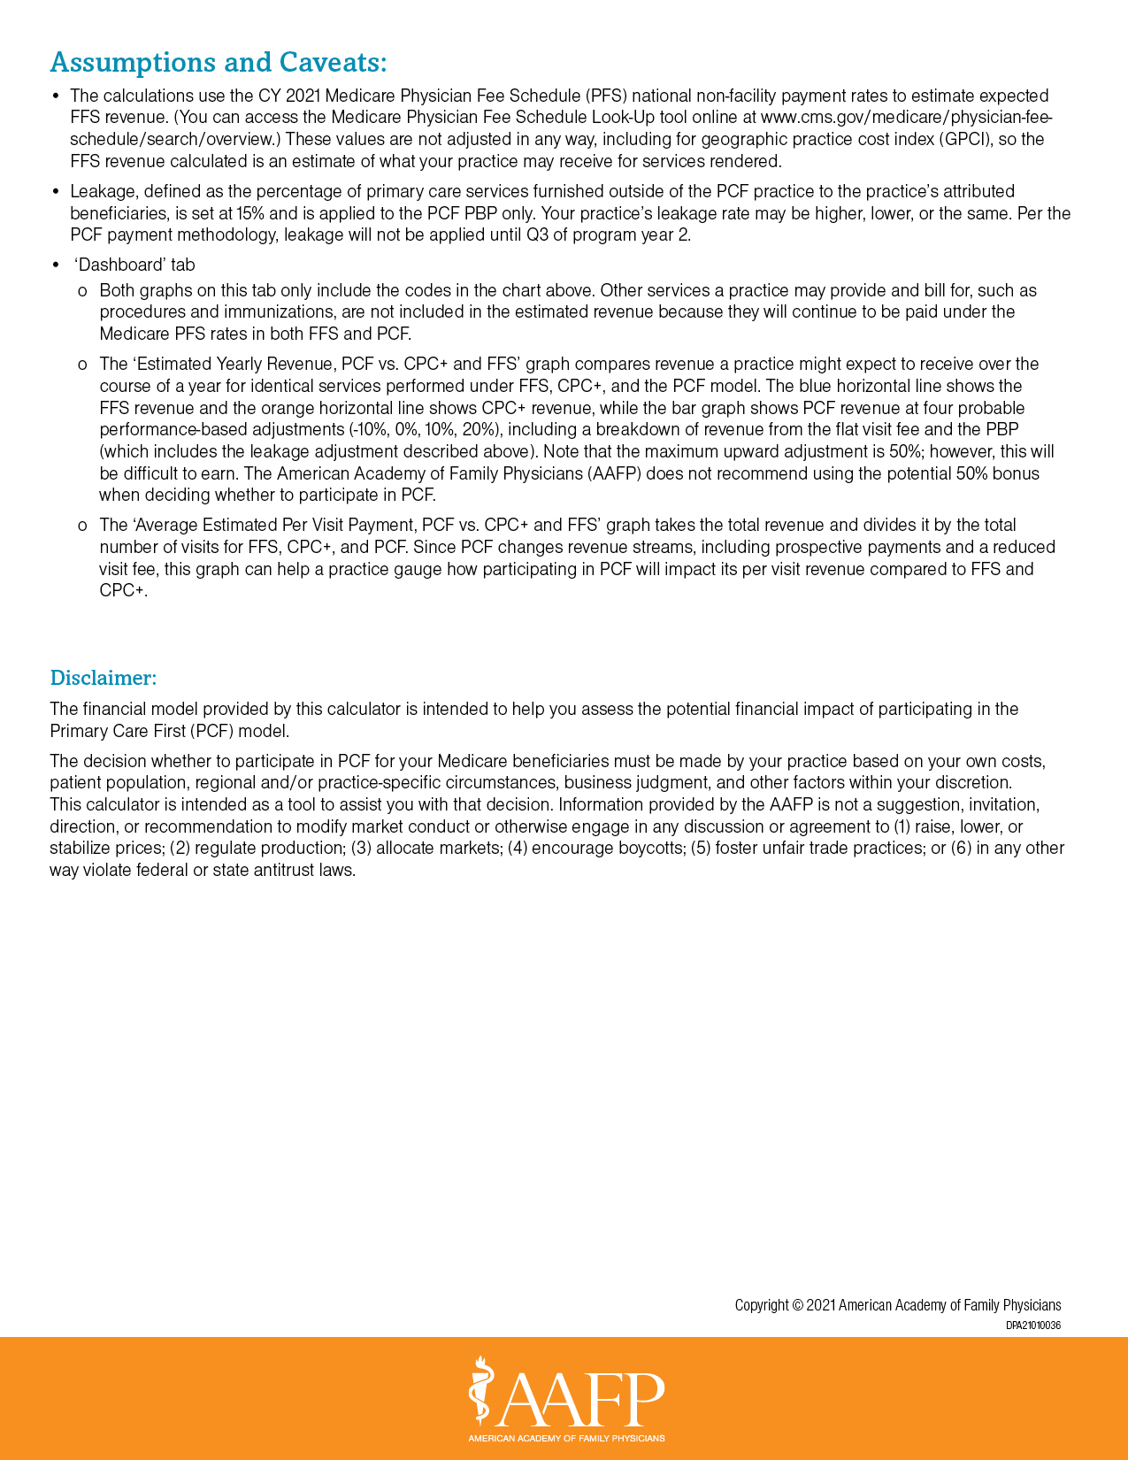

Dashboard
Estimated Yearly Revenue PCF vs. CPC+ and FFS
 | Population-Based Payment |  | Flat Visit Fee |  | FFS Revenue |  | CPC+ Revenue
PCF Revenue -10% PBA | $514,080.00 | PCF Revenue -10% PBA | $297,026.73 | 0 | $884,653.43 | 0 | $982,562.40
PCF Revenue 0% PBA | $571,200.00 | PCF Revenue 0% PBA | $330,029.70 | 1 | $884,653.43 | 1 | $982,562.40
PCF Revenue 10% PBA | $628,320.00 | PCF Revenue 10% PBA | $363,032.67
PCF Revenue 20% PBA | $685,440.00 | PCF Revenue 20% PBA | $396,035.64
Average Estimated Per Visit Payment PCF vs. CPC+ and FFS
FFS | $77.90
CPC+ | $86.52
PCF -10% PBA | $71.43
PCF 0% PBA | $79.36
PCF 10% PBA | $87.30
PCF 20% PBA | $95.23

