ALSO Provider Course
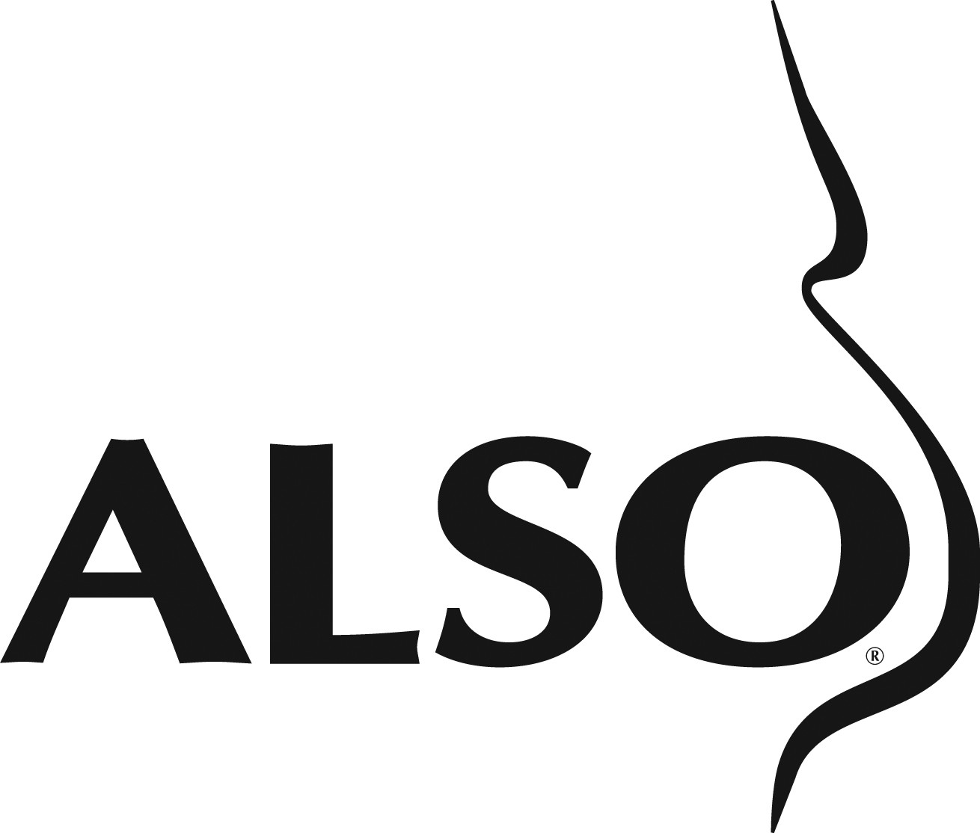
ALSO Provider Course Budget Planning Sheet
**Enter the number of Registrants and the amount you are charging each person to take the course** | Number of Registrants | Amount Charged Per Course
 | 0 | $0.00

 | Total Revenue | $0.00

EXPENSES | Quantity | Cost | COURSE PRODUCT NAME | Subtotal
 |  |  | REQUIRED: ONE PER COURSE
 | 1 | $94.95 | ALSO Provider Course Materials/Registration Fee | $94.95

 |  |  | REQUIRED: ONE PER LEARNER
 | 0 | $120.00 | ALSO Provider Online Access Fee (Includes Online Content & Provider Manual PDF) | $0.00

 |  |  | REQUIRED: ONE PER NON-APPROVED INSTRUCTOR
**ALSO course products are listed as priced at the time of this publication. Pricing is subject to change without prior notice** | 0 | $120.00 | ALSO Provider Online Access Fee (Includes Online Content & Provider Manual PDF) | $0.00

 |  |  | RECOMMENDED: ONE PER LEARNER
 | 0 | $12.95 | ALSO Mnemonic Reference Cards - Laminated Badge Style | $0.00

 |  |  | OPTIONAL PRODUCTS
 | 0 | $125.00 | Maternal/Fetal Manikin Set Rental | $0.00
 | 0 | $49.95 | ALSO Provider Manual - Print (optional) | $0.00
 | 0 | $49.95 | ALSO Instructor Manual - Print (optional) | $0.00

 |  |  | Total Course Product Expenses | $94.95

OPTIONAL EXPENSES | Quantity | Cost | MISCELLANEOUS COURSE COST NAME | Subtotal
Marketing |  | $- | Marketing Brochure | $0.00

Shipping |  | $- | Materials from AAFP | $0.00
 |  | $- | Materials to Participants | $0.00
 |  | $- | Ship Manikins | $0.00
 |  | $- | Customs (if int'l) | $0.00
 |  |  |  | $0.00

Audio Visual | 0 | $- | Lavaliere Microphone | $0.00
 | 0 | $- | LCD Projector | $0.00
 | 0 | $- | Table-top Microphone | $0.00
 | 0 | $- | Electronic Pointer | $0.00
 |  |  |  | $0.00

Meeting Rooms |  | $- | Meeting Room Rental | $0.00

Food | 0 | $- | Faculty Planning Dinner/Per Person | $0.00
 | 0 | $- | Breakfast//Per Person | $0.00
 | 0 | $- | Lunch/Per Person | $0.00
 | 0 | $- | AM Break/Per Person | $0.00
 | 0 | $- | PM Break/Per Person | $0.00
 |  |  |  | $0.00

Course Staff Expense | 0 | $- | Housing Costs/person | $0.00
 | 0 | $- | Honoraria/person | $0.00
 | 0 | $- | Meals/person | $0.00
 | 0 | $- | Airfare/per person | $0.00
 |  |  |  | $0.00

Mannequin Purchase |  | $- | Estimated Price | $0.00
Equipment Purchase |  | $- | Estimated Price | $0.00
 |  |  |  | $0.00
 |  |  | Total Miscellaneous Expenses | $0.00
 |  |  | Total Revenue | $-
 |  |  | Less Total Course Product Expenses | $94.95
 |  |  | Less Total Miscellaneous Expenses | $-
 |  |  | Net Course Profit/Loss | $(94.95)
Copyright© 2018 American Academy of Family Physicians. All rights reserved.
Revised 3/28/18

