Topics
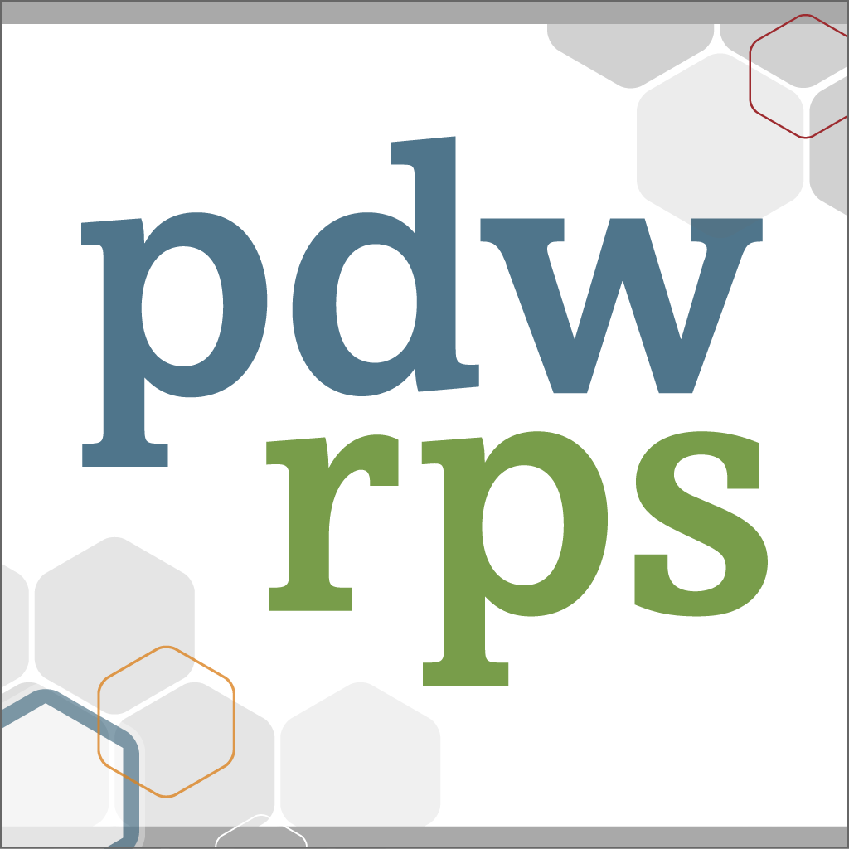 2019 PDW and RPS Residency Education Symposium April 5-9, 2019 | Kansas City, MO Call for Proposals Topic Definitions

Because CME credit will be available for the conference, presentations must address needs-based topic areas (orange column), be supported by evidence, and support professional practice changes by attendees. Learning objectives: At the end of the PDW and RPS Residency Education Symposium, learners will be able to: 1. Maintain compliance with program and institutional requirements. 2. Utilize resources from other programs in order to improve the quality of their program based on best practices. 3. Utilize resources from other programs in order to implement change based on best practices. To assist in content selection and placement, the planning committee will pay close attention to the Topic, Audience(s), Interactive Methods, and Recommended Practice Changes selected on the proposal form to ensure impactful content and placement. Preference is given to solution-focused presentations that will improve work and personal satisfaction in residency for faculty, residents and other staff. Most of the time, workshops are placed at PDW or RPS based on the following:

 | PDW Workshops |  | RPS Workshops
 | Designed to address issues faced by: |  | Designed to address specific issues faced by:
 | ● Program Directors. ● Associate Program Directors. ● Other program leadership. |  | ● Administrators and Coordinators. ● Nurses. ● Faculty. ● The whole residency team.
 | On issues like: |  | On issues like:
 | ● Administration and Finance of the residency program ● Accreditation Requirements |  | ● Curricular Challenges and Innovations ● Resident Mentoring ● Accreditation Compliance

 | Topic | Examples (To assist with selecting a Topic) |  | Notes
1 | Assessment | • An overview of various assessment modalities • Assessment of Struggling Resident (targeted evaluations, modified curriculum, etc.) • Competency • EPAs • Evaluation and Feedback • Milestones • Other
2 | Advocacy | • Advocacy Education (How to do Advocacy Work) • Advocacy for Resources Needed by the Program • Community Involvement • Educational Reform • Examples, Opportunities, Experiences, Tactics, How to Measure • Health Care and Payment Reform • Health Disparities • Local, Regional, and/or National Advocacy Efforts • Resources for Advocacy • Teaching Global Health • Other |  | Family medicine educators and supporting staff have historically focused on advocacy. These same educators and staff need to develop skills related to advocating for their patients, the specialty of family medicine, and for healthcare reform.7
3 | Curriculum | • Adapt Best Evidence Educational Strategies to The Local Environment Clinical Teaching and Precepting • Adult Learning Principles, Applying • Curricular Challenges • Curricular Innovations • Curriculum Development • Defining Professionalism • Development of Longitudinal Curriculum • Family Medicine Practice Teaching Strategies • How to Perform a Needs Assessment • Innovative Teaching Methods • Interdisciplinary Training • Osteopathic Recognition: Teaching Osteopathic Principles (OMT, Philosophy, etc.) to Both DOs and MDs • Palliative Care • Rural Training • Scholarly Activity • Teaching and Living Resiliency • Teaching Cultural Competency • Teaching Fatigue Awareness and Mitigation • Teaching Information Mastery • Teaching Procedures in Real Time • Teaching Transition of Care • Other |  | Changes in the accreditation environment and the evolving scope of family medicine require new skills developing curriculum and interdisciplinary training.2
 | Topic | Examples |  | Notes
4 | Finance | • Administration and Finance of the Residency Program • Budget Development • Clinical Staffing Models • Developing Programs • Financial Acumen • Finance Reform • Financial Sustainability • GME Funding • Grant Writing / Fundraising • Other |  | Replacing RN’s with MA’s might help the financial side of the residency but shifts more work on the resident and faculty provider. RN’s nurse visits and triage can improve patient care and allow providers to see more patients in their daily schedule.
5 | Interprofessional Education (IPE) / Interprofessional Practice (IPP) | • Interdisciplinary Training • Interprofessional Education Beyond Co-Location of Learners • Resources Needed to Make IPE Successful • Other |  | Over the past half century, there have been ebbs and flows of interest in linking what is now called interprofessional education (IPE) with interprofessional collaboration and team-based care. Whereas considerable research has focused on student learning, only recently have researchers begun to look beyond the classroom and beyond learning outcomes for the impact of IPE on such issues as patient safety, patient and provider satisfaction, quality of care, health promotion, population health, and the cost of care. 10
6 | Leadership Development | • Change Management • Clinic / Program Partnership • Create and Sustain a Vision that Engages Stakeholders • Creating Business Plans for Residency Activities • Designing a Faculty Development Process • Developing Women as Leaders • Development of Individual Faculty Growth Plan • Evaluation of Faculty Members • Leadership of Underrepresented Minorities • Living and Communicating Your Program Mission and Core Values • Managing Other Professionals • Mentoring • Nursing Leadership • Professional Transitions • Recruitment and Retention (Staff, Faculty, Residents) • Self-care/ Work-Life Balance, Stress Management • Strategic Planning • Transition Planning • Other |  | Residency staffs face many challenges with the ACGME New Accreditation System, new models of care delivery (PCMH), and GME funding. There is a need for leadership training, change management education, strategic planning, and optimal use of human and other resources.3, 11 Given the demographics of our specialty and the historic and real barriers that many women face in the work place, this remains a need. 16
7 | Patient Issues and Resources | • Addressing Social Determinants of Health • Adult Learning Principles, Applying • Care Management / Chronic Disease Management • Creating Patient Advisory Panels • Food Insecurity • Patient Engagement • Patient Safety • Patient-centered Medical Home (PCMH) • Population Health • Population Management • Satisfaction (How to Measure, What to Measure, How to “Move the Dial”) • Other |  | Patients-centered care has changed the nature of care in family medicine centers. Residency staff need to develop new and more effective resources to adapt to the new models of care.
 | Topic | Examples |  | Notes
8 | Practice of the Future | • Adapt Best Evidence Educational Strategies to The Local Environment Access and Continuity • Advanced Care Models • Behavioral Health • Community Health Engagement • Coordination of Care across the Medical Neighborhood • Data Management • Group Visits • Lean • Linking evidence to improvement Rapid Cycle PDSA • MACRA • Patient and Caregiver Engagement • PCMH Clinical Staffing Models • Planned Care for Chronic Conditions and Preventive Care • Risk-stratified Care Management • Shared Decision Making • Six Sigma • Teaching in the Advance Primary Care Model Practice • Teaming • Understanding Single Accreditation System and Implications • Value-based Care • Other |  | The PCMH is considered one step in the evolution of primary care delivery. The Center for Medicare and Medicaid Innovation has an aim to identify, validate and disseminate information about new care models. Better performance measured in terms of improving system quality, safety, and value (cost).9 Better patient outcomes measured in terms of health status, patient experiences, and actual reductions in the burden of illness. Better professional development for professionals and staff measured in terms of job satisfaction, competence, pride, joy and mastery of their work.14, 15 PCMH outlines recommended staffing models that allows residencies to provide more POC services and improved chronic disease management.
...

