Read Me
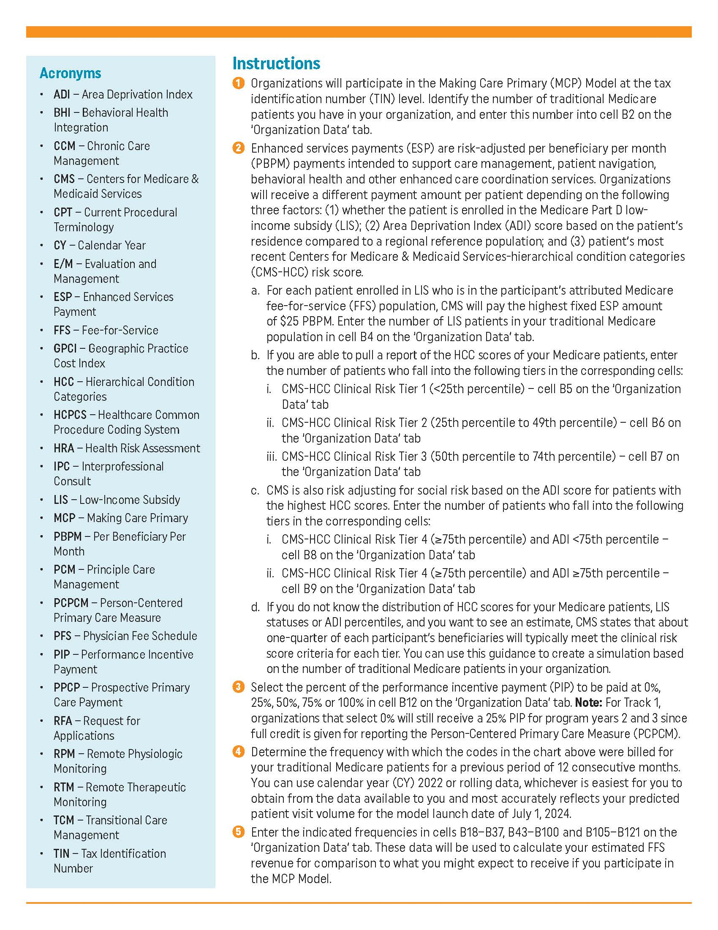
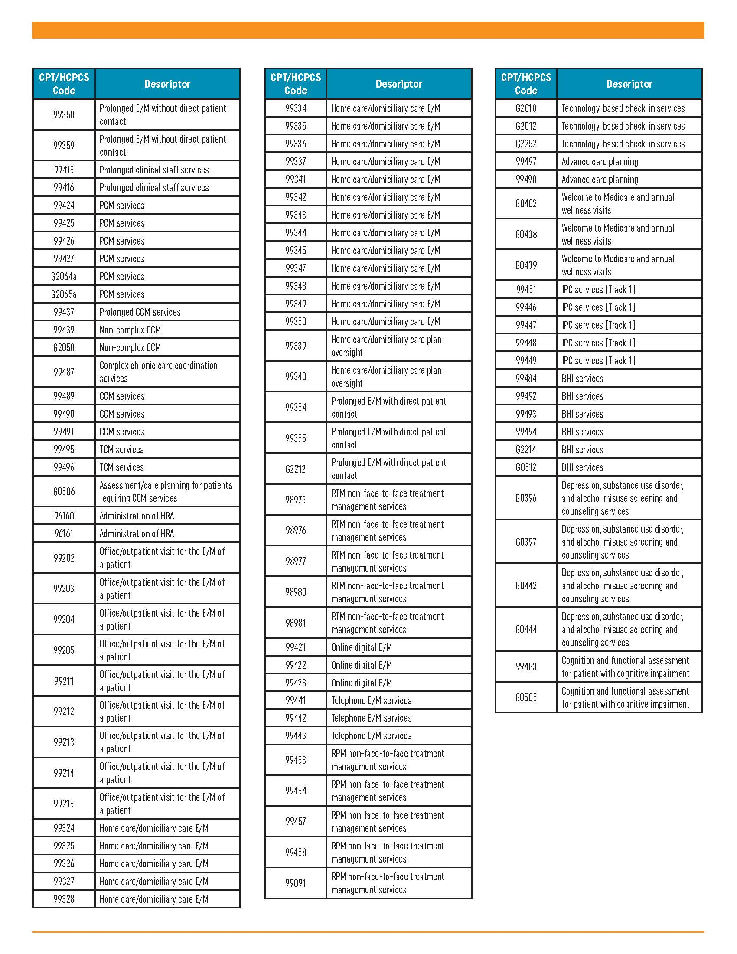

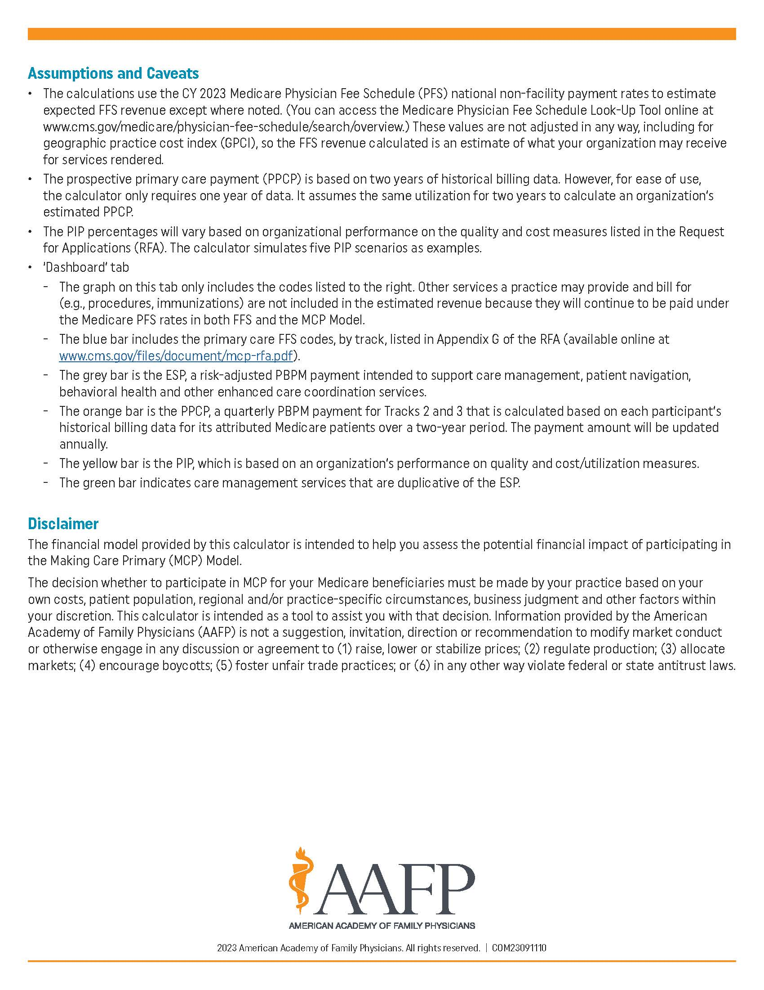

Dashboard
Example Average Annual MCP Revenue by Track Compared to FFS
 | Primary Care FFS | PPCP | ESP | PIP | CCM
FFS | $2,444,130.86 | $- | $- | $- | $137,933.92
Track 1 | $2,444,130.86 | $- | $337,200.00 | $73,323.93 | $-
Track 2 | $1,459,211.55 | $984,919.31 | $205,200.00 | $1,099,858.89 | $-
Track 3 | $- | $2,444,130.86 | $147,600.00 | $1,466,478.52 | $-

